HALLANDO DATOS
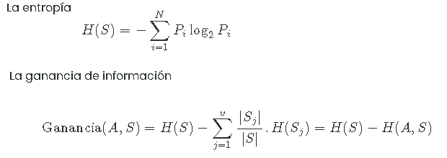
0 | 3 | 5 | 7 | 1
Global Rank | Country Rank | Rating | Fully Solved | Stars |  |  | TOTAL | 7 STARS | 6 STARS | 5 STARS | 4 STARS | ENTROPIA | GANANCIA
1642 | India | 2143 | 50 | 5 |  | TOTAL | 21 | 1 | 1 | 8 | 11 | 1.4373770511
8323 | India | 1899 | 20 | 4 |  | GLOBAL RANK |  |  |  |  |  |  | 1.4373770511
8225 | India | 1901 | 75 | 4 |  | [1, 2000] | 4 | 1 | 1 | 2 | 0 | 0
2378 | India | 2086 | 188 | 5 |  | [2001,4000] | 5 | 0 | 0 | 5 | 0 | 0
5345 | India | 1969 | 63 | 4 |  | [4001, 6000] | 4 | 0 | 0 | 1 | 3 | 0
2532 | India | 2077 | 352 | 5 |  | [6001, 8000] | 1 | 0 | 0 | 0 | 1 | 0
2984 | India | 2054 | 207 | 5 |  | [8001, 15000] | 7 | 0 | 0 | 0 | 7 | 0
527 | Kazakhstan | 2312 | 127 | 6 |  | COUNTRY RANK |  |  |  |  |  |  | 1.4373770511
30 | China | 2709 | 176 | 7 |  | India | 14 | 0 | 0 | 5 | 9 | 0
1280 | Czech Republic | 2185 | 900 | 5 |  | Kazakhstan | 1 | 0 | 1 | 0 | 0 | 0
8609 | India | 1894 | 59 | 4 |  | China | 3 | 1 | 0 | 0 | 2 | 0
2984 | Singapore | 2054 | 258 | 5 |  | Czech Republic | 1 | 0 | 0 | 1 | 0 | 0
5410 | India | 1967 | 297 | 4 |  | Singapore | 1 | 0 | 0 | 1 | 0 | 0
3521 | India | 2033 | 133 | 5 |  | Belarus | 1 | 0 | 0 | 1 | 0 | 0
7116 | India | 1923 | 68 | 4 |  | RATING |  |  |  |  |  |  | 1.0703893279
5303 | India | 1970 | 44 | 4 | div4 | [1, 1399] | 0 | 0 | 0 | 0 | 0 | 0
9542 | China | 1878 | 19 | 4 | div3 | [1400, 1599] | 0 | 0 | 0 | 0 | 0 | 0
4346 | Belarus | 2004 | 34 | 5 | div2 | [1600, 1999] | 11 | 0 | 0 | 0 | 0 | 0
8717 | India | 1892 | 37 | 4 | div1 | [2000, 5000] | 10 | 1 | 1 | 8 | 11 | 0.77067421876
9812 | China | 1874 | 105 | 4 |  | FULL SOLVED |  |  |  |  |  |  | 0.35258090582 |  | (7S=1, 6S=1,5S=2,4S=0)
9035 | India | 1886 | 16 | 4 |  | [1,200) | 16 | 1 | 1 | 4 | 10 | 1.4237949407 |  |  | [1, 2000] | 30 | China | 2709 | 176 | 7
 |  |  |  |  |  | [200, 400) | 4 | 0 | 0 | 3 | 1 | 0 |  |  |  | 527 | Kazakhstan | 2312 | 127 | 6
 |  |  |  |  |  | [400, 600) | 0 | 0 | 0 | 0 | 0 | 0 |  |  |  | 1280 | Czech Republic | 2185 | 900 | 5
 |  |  |  |  |  | [600, 800) | 0 | 0 | 0 | 0 | 0 | 0 |  |  |  | 1642 | India | 2143 | 50 | 5
 |  |  |  |  |  | [800, 1000) | 1 | 0 | 0 | 1 | 0 | 0

Analizar por FULL SOLVED

Global Rank | Country Rank | Rating | Fully Solved | Stars |  |  | TOTAL | 7 STARS | 6 STARS | 5 STARS | 4 STARS | ENTROPIA | GANANCIA
1642 | India | 2143 | 50 | 5 |  | TOTAL | 16 | 1 | 1 | 4 | 10 | 1.4237949407
8323 | India | 1899 | 20 | 4 |  | GLOBAL RANK |  |  |  |  |  |  | 1.4237949407 |  | (7S=0, 6S=0,5S=5,4S=0)
8225 | India | 1901 | 75 | 4 |  | [1, 2000] | 3 | 1 | 1 | 1 | 0 | 0 |  |  | [2001,4000] | 2378 | India | 2086 | 188 | 5
2378 | India | 2086 | 188 | 5 |  | [2001,4000] | 2 | 0 | 0 | 2 | 0 | 0 |  |  |  | 2532 | India | 2077 | 352 | 5
5345 | India | 1969 | 63 | 4 |  | [4001, 6000] | 3 | 0 | 0 | 1 | 2 | 0 |  |  |  | 2984 | India | 2054 | 207 | 5
527 | Kazakhstan | 2312 | 127 | 6 |  | [6001, 8000] | 1 | 0 | 0 | 0 | 1 | 0 |  |  |  | 2984 | Singapore | 2054 | 258 | 5
30 | China | 2709 | 176 | 7 |  | [8001, 15000] | 7 | 0 | 0 | 0 | 7 | 0 |  |  |  | 3521 | India | 2033 | 133 | 5
8609 | India | 1894 | 59 | 4 |  | COUNTRY RANK |  |  |  |  |  |  | 1.4237949407
3521 | India | 2033 | 133 | 5 |  | India | 11 | 0 | 0 | 3 | 8 | 0
7116 | India | 1923 | 68 | 4 |  | Kazakhstan | 1 | 0 | 1 | 0 | 0 | 0
5303 | India | 1970 | 44 | 4 |  | China | 3 | 1 | 0 | 0 | 2 | 0
9542 | China | 1878 | 19 | 4 |  | Czech Republic | 0 | 0 | 0 | 0 | 0 | 0
4346 | Belarus | 2004 | 34 | 5 |  | Singapore | 0 | 0 | 0 | 0 | 0 | 0
8717 | India | 1892 | 37 | 4 |  | Belarus | 1 | 0 | 0 | 1 | 0 | 0
9812 | China | 1874 | 105 | 4 |  | RATING |  |  |  |  |  |  | 1.4150374993
9035 | India | 1886 | 16 | 4 |  | [1, 1399] | 0 | 0 | 0 | 0 | 0 | 0
 |  |  |  |  |  | [1400, 1599] | 0 | 0 | 0 | 0 | 0 | 0
 |  |  |  |  |  | [1600, 1999] | 10 | 0 | 0 | 0 | 0 | 0
 |  |  |  |  |  | [2000, 5000] | 6 | 1 | 1 | 4 | 10 | 0.023353177111 |  |  | (7S=0, 6S=0,5S=1,4S=3)
 |  |  |  |  |  |  |  |  |  |  |  |  |  | GLOBAL RANK | [4001, 6000] | 5345 | India | 1969 | 63 | 4
 |  |  |  |  |  |  |  |  |  |  |  |  |  | 7 stars = 1 |  | 5410 | India | 1967 | 297 | 4
 |  |  |  |  |  |  |  |  |  |  |  |  |  | 6 stars = 1 |  | 5303 | India | 1970 | 44 | 4
ANALIZAR POR RATING |  |  |  |  |  |  |  |  |  |  |  |  |  | 5 stars = 4 |  | 4346 | Belarus | 2004 | 34 | 5
 |  |  |  |  |  |  |  |  |  |  |  |  |  | 4 stars = 10
Global Rank | Country Rank | Rating | Fully Solved | Stars |  |  | TOTAL | 7 STARS | 6 STARS | 5 STARS | 4 STARS | ENTROPIA | GANANCIA
1642 | India | 2143 | 50 | 5 |  | TOTAL | 6 | 1 | 1 | 4 | 0 | 0
2378 | India | 2086 | 188 | 5 |  | GLOBAL RANK |  |  |  |  |  |  | 0
527 | Kazakhstan | 2312 | 127 | 6 |  | [1, 2000] | 3 | 1 | 1 | 1 | 0 | 0
30 | China | 2709 | 176 | 7 |  | [2001,4000] | 2 | 0 | 0 | 2 | 0 | 0
3521 | India | 2033 | 133 | 5 |  | [4001, 6000] | 1 | 0 | 0 | 1 | 0 | 0
4346 | Belarus | 2004 | 34 | 5 |  | [6001, 8000] | 0 | 0 | 0 | 0 | 0 | 0
 |  |  |  |  |  | [8001, 15000] | 0 | 0 | 0 | 0 | 0 | 0
 |  |  |  |  |  | COUNTRY RANK |  |  |  |  |  |  | 0 |  | (7S=0, 6S=0,5S=0,4S=1)
 |  |  |  |  |  | India | 3 | 0 | 0 | 3 | 0 | 0 |  |  | [6001, 8000] | 7116 | India | 1923 | 68 | 4
 |  |  |  |  |  | Kazakhstan | 1 | 0 | 1 | 0 | 0 | 0
 |  |  |  |  |  | China | 1 | 1 | 0 | 0 | 0 | 0
 |  |  |  |  |  | Czech Republic | 0 | 0 | 0 | 0 | 0 | 0
 |  |  |  |  |  | Singapore | 0 | 0 | 0 | 0 | 0 | 0
 |  |  |  |  |  | Belarus | 1 | 0 | 0 | 1 | 0 | 0

ANALIZAR POR COUNTRY RANK

Global Rank | Country Rank | Rating | Fully Solved | Stars |  |  | TOTAL | 7 STARS | 6 STARS | 5 STARS | 4 STARS | ENTROPIA | GANANCIA
1642 | India | 2143 | 50 | 5 |  | TOTAL | 3 | 0 | 0 | 3 | 0 | 0
2378 | India | 2086 | 188 | 5 |  | GLOBAL RANK |  |  |  |  |  |  | 0 |  | (7S=0, 6S=0,5S=0,4S=7)
3521 | India | 2033 | 133 | 5 |  | [1, 2000] | 1 | 0 | 0 | 1 | 0 | 0 |  |  | [8001, 15000] | 8323 | India | 1899 | 20 | 4
 |  |  |  |  |  | [2001,4000] | 2 | 0 | 0 | 2 | 0 | 0 |  |  |  | 8225 | India | 1901 | 75 | 4
 |  |  |  |  |  | [4001, 6000] | 0 | 0 | 0 | 0 | 0 | 0 |  |  |  | 8609 | India | 1894 | 59 | 4
 |  |  |  |  |  | [6001, 8000] | 0 | 0 | 0 | 0 | 0 | 0 |  |  |  | 9542 | China | 1878 | 19 | 4
 |  |  |  |  |  | [8001, 15000] | 0 | 0 | 0 | 0 | 0 | 0 |  |  |  | 8717 | India | 1892 | 37 | 4
 |  |  |  |  |  |  |  |  |  |  |  |  |  |  |  | 9812 | China | 1874 | 105 | 4
 |  |  |  |  |  |  |  |  |  |  |  |  |  |  |  | 9035 | India | 1886 | 16 | 4

oficial
0 | 3 | 5 | 7 | 8 | 1
Global Rank | Country Rank | Rating | Fully Solved | Partially Solved | Stars
1642 | India | 2143 | 50 | 9 | 5
8323 | India | 1899 | 20 | 3 | 4
8225 | India | 1901 | 75 | 7 | 4
2378 | India | 2086 | 188 | 26 | 5
5345 | India | 1969 | 63 | 8 | 4
2532 | India | 2077 | 352 | 11 | 5
2984 | India | 2054 | 207 | 41 | 5
527 | Kazakhstan | 2312 | 127 | 7 | 6
30 | China | 2709 | 176 | 3 | 7
1280 | Czech Republic | 2185 | 900 | 10 | 5
8609 | India | 1894 | 59 | 14 | 4
2984 | Singapore | 2054 | 258 | 15 | 5
5410 | India | 1967 | 297 | 40 | 4
3521 | India | 2033 | 133 | 24 | 5
7116 | India | 1923 | 68 | 7 | 4
5303 | India | 1970 | 44 | 2 | 4
9542 | China | 1878 | 19 | 0 | 4
4346 | Belarus | 2004 | 34 | 2 | 5
8717 | India | 1892 | 37 | 7 | 4
9812 | China | 1874 | 105 | 1 | 4
9035 | India | 1886 | 16 | 2 | 4

ARBOL DE DESICION
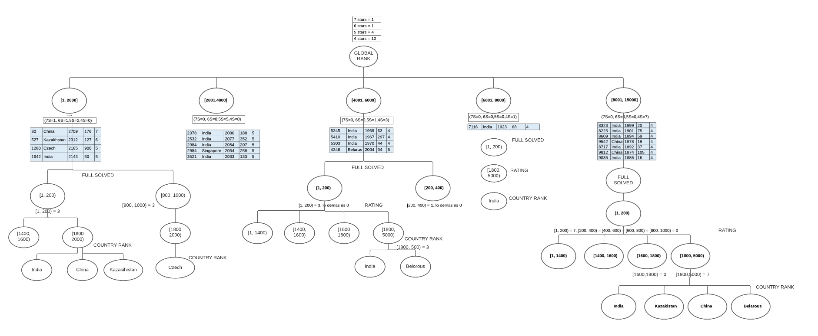
Global Rank | Country Rank | Rating | Fully Solved | Stars
8323 | India | 1899 | 20 | 4
8225 | India | 1901 | 75 | 4
8609 | India | 1894 | 59 | 4
9542 | China | 1878 | 19 | 4
8717 | India | 1892 | 37 | 4
9812 | China | 1874 | 105 | 4
9035 | India | 1886 | 16 | 4

5345 | India | 1969 | 63 | 4
5410 | India | 1967 | 297 | 4
5303 | India | 1970 | 44 | 4
4346 | Belarus | 2004 | 34 | 5

